Script
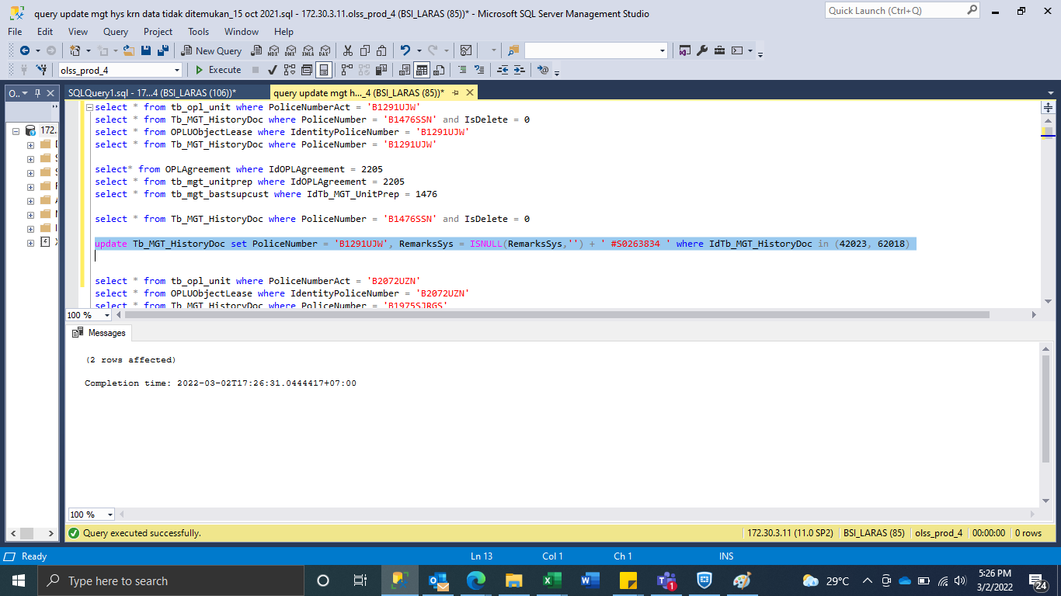
update Tb_MGT_HistoryDoc set PoliceNumber = 'B1291UJW', RemarksSys = ISNULL(RemarksSys,'') + ' #S0263834 ' where IdTb_MGT_HistoryDoc in (42023, 62018)

SS
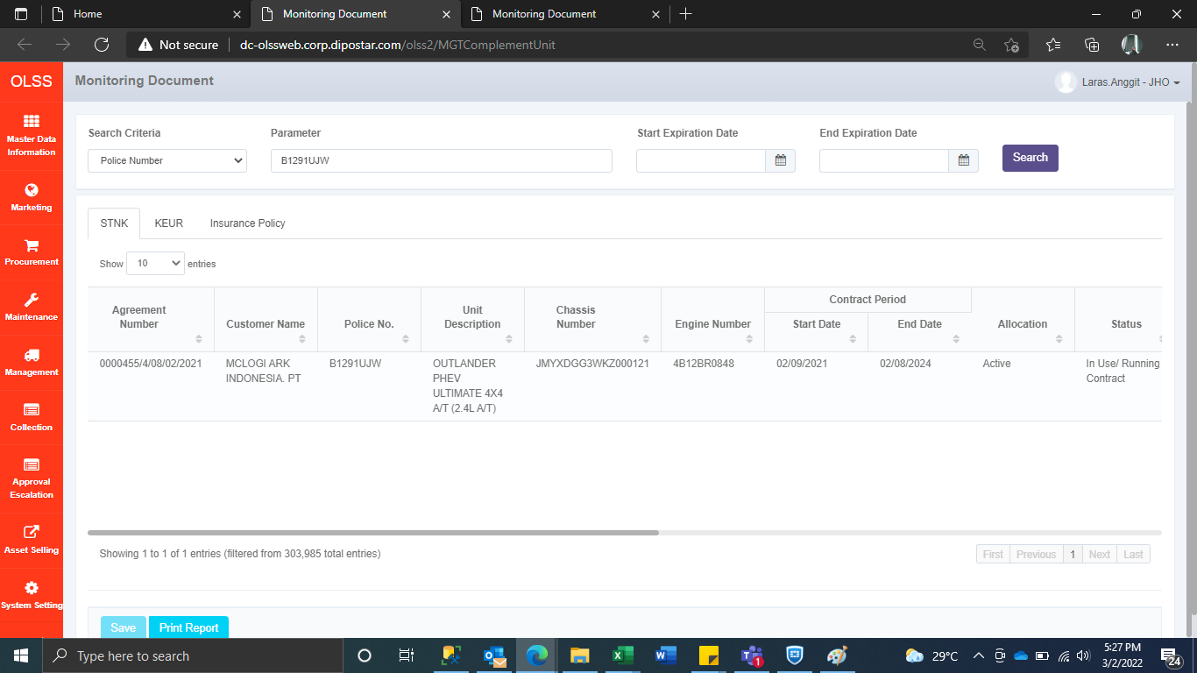
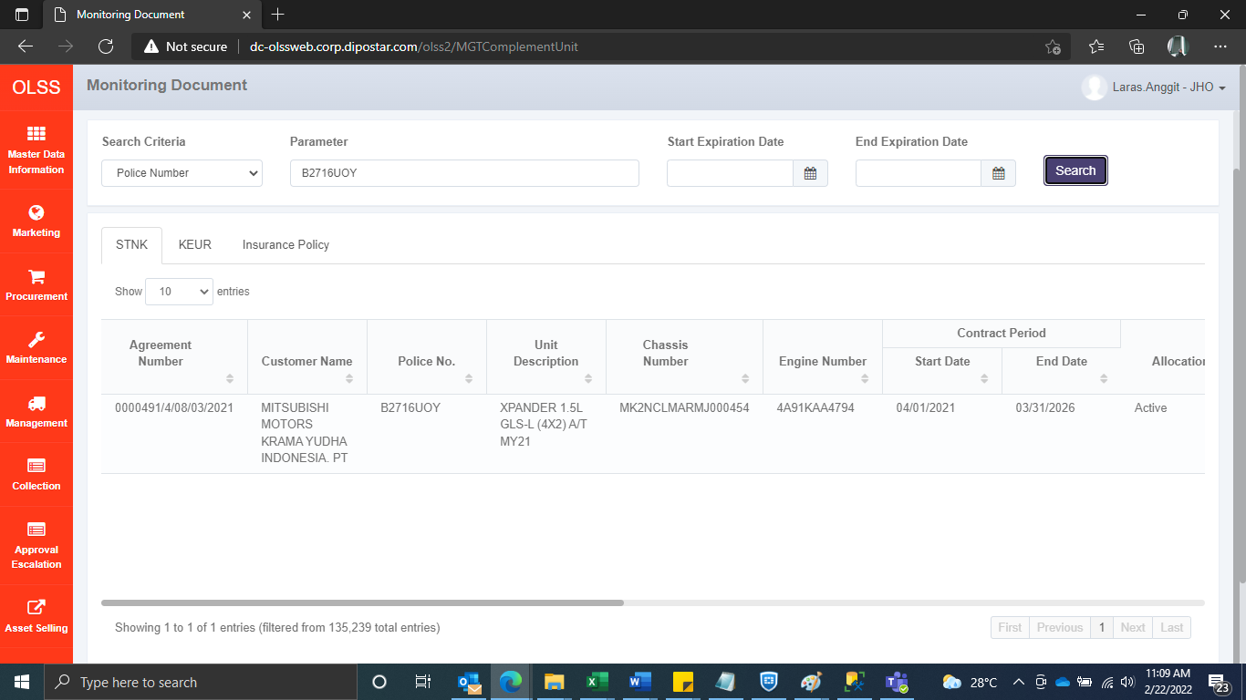
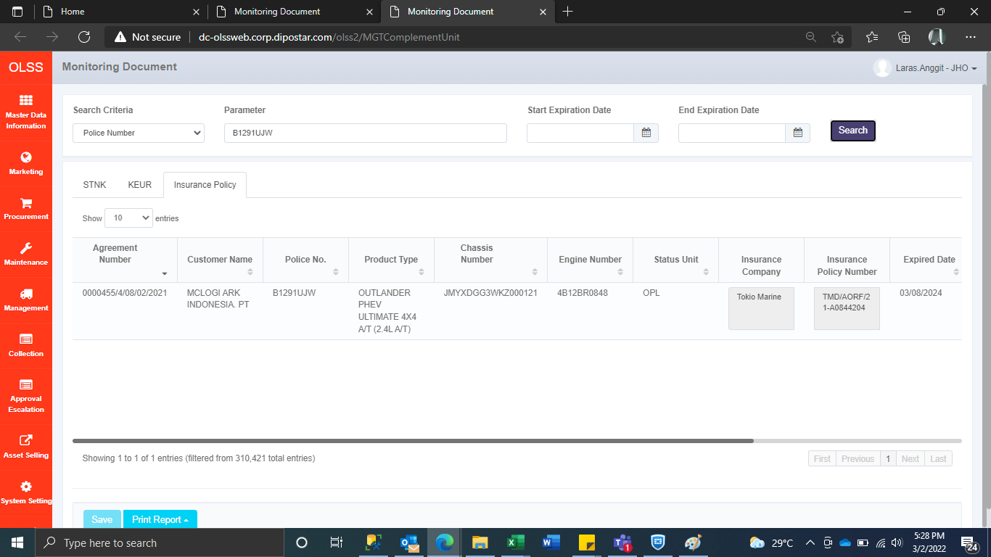
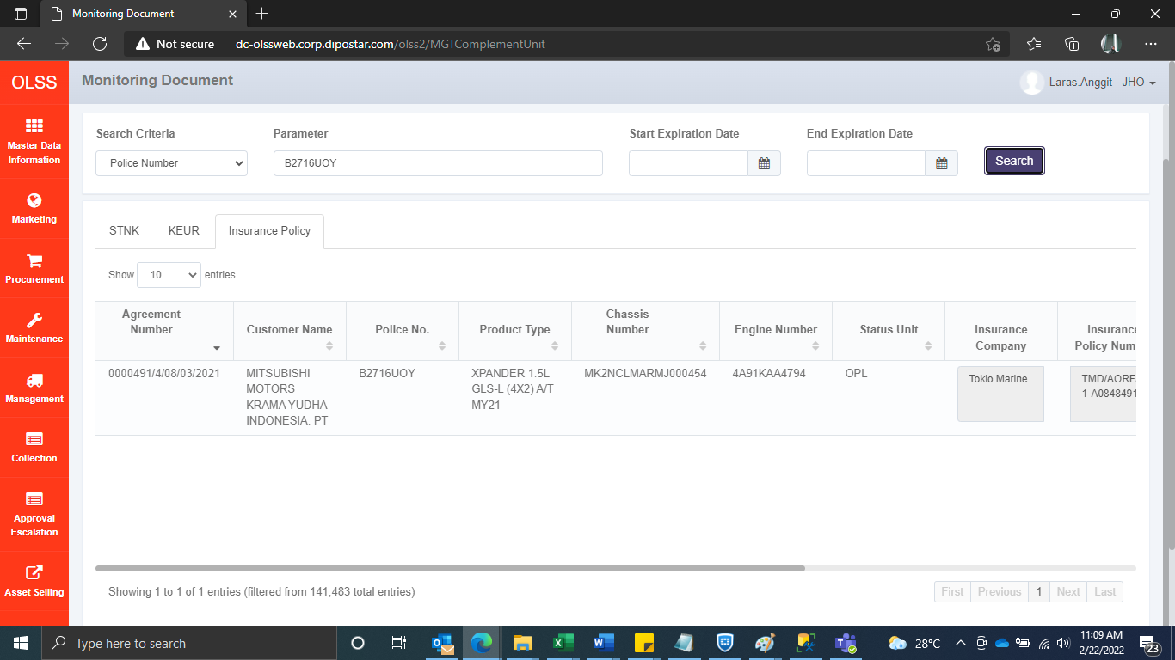
BEFORE



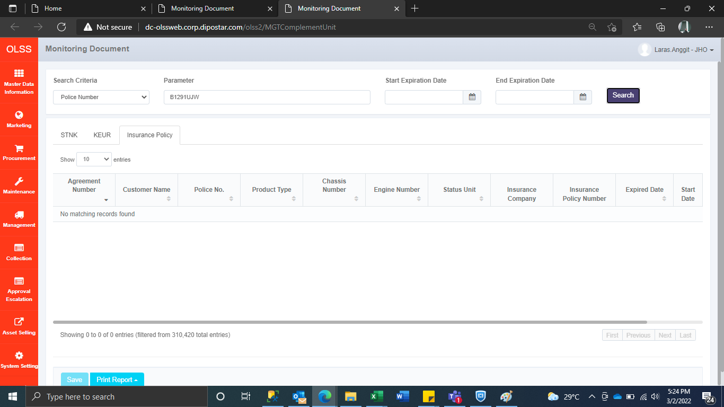


AFTER

